External call flow diagram
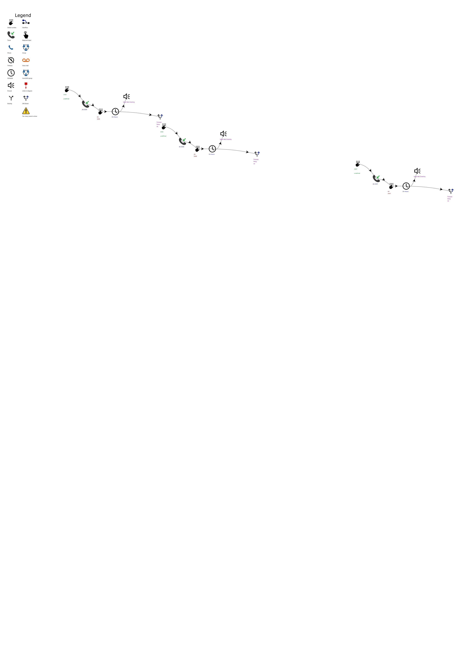
External call flow diagram

